1. Title Page
Basket Analyses

Project Name: Instacart Basket Analyses
Date: 07.09.2022
Analyst Name: Samira Stragiotti

Contents:
Population Flow
Consistency checks
Wrangling steps
Column derivations
Visualizations
Recommendations

2. Population Flow
Title page

Population flow

Exclusion flag
Condition: max_order < 5
Obervations to be removed: 2884
Final total count of order_products_all: 32'401'975

Orders_products_combined
Orders_products_merged
Orders_products_all

Total: 32'404'859
Total: 32'434'489
Total: 32'404'859

3. Consistency checks
 |  |  |  |  |  |  | Title page
Consistency checks

Dataset | Missing values | Missing values treatment | Duplicates
orders | 206209 (days_since_prior_order) | flag 'new_customer' created | none
products | 16 (product_name) | deleted | 5
orders_products_prior | none | none | none
customers | 11259 (first_name) | none | none
orders_product_all | 2075167 (days_since_prior_order) and 32401975 (low_activity) | none | none

Crosstab between the “days_since_prior_order” column and the “order_number” column:

days_since_prior_order | 1 | 2 | 3 | 4 | 5 | 6 | 7 | 8 | 9 | 10 | 11 | 12 | 13 | 14 | 15 | 16 | 17 | 18 | 19 | 20 | 21 | 22 | 23 | 24 | 25 | 26 | 27 | 28 | 29 | 30 | 31 | 32 | 33 | 34 | 35 | 36 | 37 | 38 | 39 | 40 | 41 | 42 | 43 | 44 | 45 | 46 | 47 | 48 | 49 | 50 | 51 | 52 | 53 | 54 | 55 | 56 | 57 | 58 | 59 | 60 | 61 | 62 | 63 | 64 | 65 | 66 | 67 | 68 | 69 | 70 | 71 | 72 | 73 | 74 | 75 | 76 | 77 | 78 | 79 | 80 | 81 | 82 | 83 | 84 | 85 | 86 | 87 | 88 | 89 | 90 | 91 | 92 | 93 | 94 | 95 | 96 | 97 | 98 | 99
0 | 0 | 20500 | 20413 | 17981 | 16438 | 16046 | 14384 | 13890 | 12774 | 11460 | 11784 | 9828 | 9438 | 8960 | 8435 | 8130 | 7848 | 7749 | 7038 | 6902 | 7084 | 6424 | 6170 | 6103 | 6032 | 5541 | 6049 | 5569 | 5201 | 5685 | 4811 | 5133 | 4630 | 4535 | 4552 | 4384 | 4314 | 4093 | 3864 | 4029 | 4056 | 3825 | 3677 | 3670 | 3226 | 3519 | 3326 | 2720 | 3164 | 2634 | 2482 | 2928 | 2624 | 2522 | 2379 | 2483 | 2375 | 2221 | 2354 | 2196 | 2069 | 2247 | 1856 | 2031 | 1585 | 2127 | 1939 | 1871 | 1560 | 1672 | 1700 | 1573 | 1731 | 1555 | 1341 | 1537 | 1526 | 1422 | 1369 | 1184 | 1306 | 1196 | 1150 | 1490 | 1343 | 1358 | 1139 | 1177 | 1177 | 1195 | 1148 | 1040 | 937 | 1134 | 1099 | 1041 | 883 | 1037 | 935
1 | 0 | 31649 | 29939 | 28006 | 27092 | 25533 | 24996 | 22921 | 21783 | 21067 | 21260 | 19516 | 19108 | 18279 | 18544 | 18133 | 16765 | 15977 | 15509 | 15128 | 15183 | 13855 | 13619 | 13230 | 12861 | 13006 | 12938 | 11962 | 12525 | 12084 | 11751 | 11581 | 10867 | 10395 | 9694 | 9688 | 9760 | 9506 | 9562 | 9456 | 8645 | 8873 | 8713 | 8576 | 8441 | 8323 | 8482 | 8199 | 7711 | 7147 | 7715 | 6976 | 6525 | 7033 | 7112 | 6250 | 6438 | 6265 | 5896 | 5851 | 5598 | 5947 | 4935 | 5725 | 4852 | 4950 | 5263 | 4675 | 4568 | 4692 | 4123 | 4405 | 4222 | 4229 | 4013 | 3918 | 4106 | 3996 | 3596 | 4132 | 3518 | 3149 | 3458 | 3289 | 3245 | 3108 | 2970 | 2693 | 3027 | 2787 | 2801 | 2728 | 2605 | 2606 | 2639 | 2436 | 2535 | 2633 | 2363
2 | 0 | 46444 | 46251 | 43902 | 40729 | 40907 | 38101 | 37519 | 35745 | 33830 | 33364 | 31473 | 30602 | 30259 | 28626 | 27574 | 26687 | 26236 | 25612 | 23717 | 23529 | 23979 | 23049 | 22337 | 21831 | 21598 | 20651 | 19776 | 18953 | 19240 | 18736 | 18331 | 17108 | 17534 | 16381 | 16021 | 16448 | 16095 | 15569 | 14664 | 14450 | 14344 | 13397 | 12920 | 12940 | 12895 | 12061 | 13443 | 12348 | 11730 | 11714 | 10607 | 10573 | 10813 | 10214 | 9494 | 9709 | 9349 | 8823 | 8733 | 8963 | 8179 | 8185 | 7712 | 7416 | 7756 | 7338 | 7041 | 7148 | 6623 | 6737 | 6386 | 6289 | 5951 | 5709 | 5629 | 5221 | 5058 | 5071 | 4704 | 4924 | 4388 | 4801 | 4658 | 3946 | 3937 | 4074 | 4204 | 3474 | 3623 | 3555 | 3314 | 3589 | 3319 | 3072 | 2985 | 3057 | 3091 | 2609
3 | 0 | 61624 | 63375 | 59995 | 57882 | 56183 | 52869 | 49291 | 48295 | 47826 | 45028 | 42994 | 42117 | 40701 | 38433 | 37943 | 35934 | 34663 | 34387 | 32645 | 32395 | 31478 | 30683 | 29434 | 29001 | 28254 | 26465 | 27083 | 25750 | 23421 | 23592 | 24477 | 23818 | 22226 | 21865 | 21329 | 20609 | 20805 | 19501 | 20909 | 18544 | 17952 | 17429 | 16905 | 16367 | 16424 | 15506 | 15539 | 14239 | 14977 | 13646 | 13555 | 12915 | 12216 | 11583 | 11839 | 11204 | 10572 | 10601 | 9899 | 10058 | 9837 | 9019 | 9232 | 8346 | 7929 | 7890 | 7420 | 7948 | 7222 | 6659 | 6834 | 6267 | 6273 | 6433 | 6070 | 5437 | 5168 | 5425 | 4885 | 5008 | 4557 | 4436 | 3799 | 4246 | 4005 | 3915 | 3359 | 3573 | 3318 | 3237 | 2799 | 3073 | 2902 | 2635 | 2658 | 2462 | 2168 | 2467
4 | 0 | 76718 | 78844 | 73537 | 70519 | 66569 | 62399 | 61143 | 59499 | 57700 | 54730 | 51935 | 48774 | 46896 | 45838 | 44241 | 42119 | 41276 | 39404 | 37328 | 36517 | 36475 | 35903 | 33132 | 34157 | 31341 | 31036 | 30094 | 28532 | 27017 | 26954 | 26013 | 24438 | 24654 | 23964 | 23047 | 22939 | 21584 | 20794 | 19015 | 19390 | 19327 | 18766 | 18719 | 18091 | 16584 | 16188 | 15564 | 15003 | 14202 | 13801 | 13032 | 12912 | 12019 | 11650 | 11928 | 11599 | 10291 | 9864 | 9640 | 9029 | 8717 | 8571 | 7755 | 8195 | 7316 | 6613 | 6331 | 6114 | 6468 | 6385 | 5590 | 5320 | 4985 | 5209 | 4348 | 4795 | 4442 | 4184 | 4229 | 3868 | 3985 | 3444 | 3224 | 2843 | 2862 | 2584 | 2711 | 2630 | 2342 | 2260 | 2490 | 2031 | 1800 | 2083 | 1918 | 1792 | 1695 | 1810
5 | 0 | 88985 | 91717 | 86501 | 81859 | 77583 | 73584 | 70020 | 64468 | 63154 | 59454 | 55546 | 53534 | 52955 | 49271 | 46960 | 47010 | 44879 | 42069 | 40778 | 40189 | 37707 | 35499 | 36144 | 34793 | 32270 | 31855 | 29641 | 29403 | 29377 | 27823 | 26071 | 25951 | 24194 | 23069 | 22117 | 21232 | 20018 | 19594 | 20514 | 18734 | 17596 | 16948 | 15597 | 15486 | 14351 | 14082 | 13320 | 13483 | 11456 | 12043 | 11739 | 10810 | 10348 | 10181 | 9077 | 8716 | 8578 | 7678 | 7878 | 6733 | 6396 | 6566 | 5757 | 5378 | 5299 | 4611 | 5508 | 5065 | 4396 | 4117 | 4276 | 3544 | 3440 | 3246 | 3197 | 2487 | 2725 | 2746 | 2816 | 2289 | 2303 | 2138 | 2099 | 2372 | 2002 | 1946 | 1566 | 1462 | 1630 | 1630 | 1367 | 983 | 1215 | 1220 | 1166 | 966 | 912 | 936
6 | 0 | 120664 | 122850 | 114641 | 106764 | 100756 | 95954 | 89752 | 87203 | 78634 | 78896 | 74719 | 68650 | 65130 | 62374 | 58794 | 56469 | 54791 | 53258 | 51292 | 49395 | 46209 | 44182 | 41002 | 38586 | 38714 | 36434 | 35073 | 33674 | 32644 | 30845 | 29967 | 28473 | 28306 | 26601 | 26518 | 24094 | 22753 | 22728 | 20868 | 19362 | 18786 | 17762 | 17389 | 16746 | 15137 | 13992 | 12418 | 12933 | 11604 | 11087 | 9631 | 9277 | 8368 | 8686 | 7298 | 7078 | 6703 | 6146 | 6114 | 5515 | 4911 | 5011 | 4549 | 4643 | 3848 | 3975 | 3536 | 3445 | 2902 | 2886 | 2251 | 2779 | 2594 | 2230 | 1949 | 1930 | 1891 | 1738 | 1531 | 1693 | 1448 | 1391 | 1340 | 1216 | 995 | 960 | 1063 | 989 | 754 | 842 | 940 | 1014 | 835 | 570 | 490 | 602 | 485 | 542
7 | 0 | 184782 | 181631 | 167589 | 157442 | 143628 | 137675 | 128423 | 120734 | 114769 | 106392 | 103116 | 100542 | 93723 | 89445 | 86204 | 81249 | 78056 | 73126 | 71052 | 68563 | 64149 | 62517 | 58574 | 56692 | 53871 | 50909 | 48710 | 47628 | 44825 | 42455 | 41609 | 38258 | 35791 | 34191 | 33235 | 32298 | 30421 | 28159 | 27660 | 27208 | 25988 | 23792 | 21938 | 20517 | 19873 | 17770 | 17174 | 15137 | 14707 | 12832 | 12948 | 10361 | 9594 | 8579 | 7316 | 7017 | 6385 | 6247 | 5733 | 5190 | 4902 | 3872 | 3571 | 3462 | 3587 | 3410 | 2562 | 2245 | 2471 | 2108 | 2394 | 2044 | 1907 | 1678 | 1629 | 1784 | 1438 | 1324 | 1086 | 958 | 969 | 920 | 858 | 956 | 710 | 763 | 714 | 694 | 634 | 573 | 521 | 440 | 602 | 421 | 420 | 378 | 419 | 322
8 | 0 | 112306 | 110719 | 102214 | 94945 | 87611 | 81622 | 78760 | 71070 | 67567 | 64889 | 60068 | 57373 | 53559 | 50904 | 47433 | 44192 | 43274 | 40812 | 38660 | 35895 | 35093 | 31992 | 30974 | 30050 | 27674 | 25995 | 26308 | 23929 | 22221 | 21980 | 19751 | 19303 | 17557 | 17539 | 16115 | 16128 | 14634 | 14585 | 13279 | 11925 | 11625 | 11090 | 10410 | 9421 | 8519 | 7974 | 7459 | 7216 | 6493 | 5557 | 5042 | 5048 | 4438 | 3768 | 3757 | 3044 | 2926 | 2888 | 2581 | 2522 | 2243 | 1972 | 1852 | 1713 | 1350 | 1338 | 1509 | 1324 | 1428 | 1085 | 1137 | 1165 | 937 | 958 | 759 | 761 | 762 | 731 | 477 | 475 | 322 | 549 | 656 | 262 | 342 | 278 | 416 | 340 | 238 | 262 | 228 | 244 | 275 | 232 | 234 | 143 | 137 | 84
9 | 0 | 73658 | 75360 | 68510 | 65045 | 58933 | 54801 | 50593 | 47752 | 43483 | 42175 | 38059 | 36775 | 34974 | 31584 | 30753 | 28868 | 26648 | 25607 | 23312 | 22198 | 20464 | 20556 | 18864 | 17911 | 16488 | 16820 | 15386 | 14568 | 13532 | 12991 | 12418 | 11511 | 10783 | 10639 | 9207 | 8483 | 8096 | 7256 | 7041 | 6455 | 5867 | 5848 | 5450 | 4910 | 4506 | 3902 | 3486 | 3554 | 3272 | 3188 | 2813 | 2287 | 2176 | 2294 | 1978 | 1787 | 1629 | 1637 | 1683 | 1281 | 1045 | 1073 | 1005 | 1005 | 705 | 926 | 932 | 715 | 628 | 454 | 550 | 482 | 613 | 417 | 398 | 317 | 482 | 374 | 241 | 271 | 332 | 347 | 348 | 115 | 209 | 201 | 229 | 266 | 190 | 90 | 98 | 101 | 146 | 91 | 67 | 102 | 66 | 65
10 | 0 | 62011 | 62444 | 57674 | 51916 | 49463 | 43706 | 41110 | 38443 | 34916 | 33905 | 32706 | 29763 | 28718 | 25319 | 23601 | 22588 | 20539 | 19364 | 18414 | 17548 | 15869 | 15648 | 14704 | 14095 | 13640 | 12147 | 10827 | 10530 | 10545 | 10006 | 8527 | 8490 | 7972 | 7629 | 6640 | 6158 | 5935 | 5614 | 4596 | 4850 | 4719 | 3768 | 3747 | 3638 | 3395 | 3032 | 2868 | 2346 | 2579 | 2103 | 2125 | 2034 | 1703 | 1579 | 1304 | 1393 | 1226 | 1148 | 901 | 915 | 721 | 893 | 742 | 821 | 570 | 540 | 596 | 431 | 493 | 370 | 443 | 626 | 389 | 579 | 389 | 339 | 239 | 191 | 216 | 143 | 111 | 289 | 203 | 278 | 136 | 223 | 114 | 138 | 60 | 103 | 222 | 78 | 45 | 116 | 4 | 101 | 42 | 59
11 | 0 | 55553 | 55906 | 51971 | 45512 | 42542 | 40174 | 36884 | 33404 | 30830 | 29422 | 27423 | 26254 | 23919 | 21639 | 20252 | 20334 | 17858 | 17074 | 15903 | 13577 | 13913 | 12087 | 11981 | 10706 | 11288 | 9861 | 8609 | 7930 | 7036 | 8067 | 6156 | 6559 | 5935 | 5579 | 5379 | 4936 | 4200 | 4048 | 3722 | 3388 | 2982 | 3199 | 2921 | 2710 | 2192 | 2269 | 2042 | 1782 | 1716 | 1637 | 1343 | 1554 | 1354 | 1225 | 1121 | 1020 | 997 | 819 | 735 | 758 | 652 | 688 | 451 | 523 | 383 | 391 | 349 | 273 | 438 | 417 | 344 | 349 | 286 | 256 | 226 | 234 | 139 | 155 | 213 | 139 | 347 | 102 | 97 | 102 | 111 | 68 | 46 | 61 | 57 | 83 | 175 | 55 | 68 | 126 | 63 | 64 | 1 | 19
12 | 0 | 54588 | 56608 | 51042 | 44615 | 42591 | 38685 | 35331 | 33477 | 29857 | 26682 | 26520 | 24342 | 21421 | 21437 | 20403 | 18272 | 16061 | 15712 | 14412 | 12982 | 12227 | 11013 | 10950 | 9543 | 8705 | 8608 | 7955 | 7454 | 7137 | 6361 | 5965 | 5373 | 4695 | 5381 | 4624 | 3956 | 4086 | 3542 | 3287 | 3193 | 2808 | 2473 | 1952 | 1858 | 2150 | 1981 | 1567 | 1423 | 1746 | 1208 | 1400 | 1138 | 859 | 670 | 797 | 734 | 702 | 978 | 749 | 394 | 538 | 577 | 459 | 536 | 434 | 283 | 386 | 408 | 264 | 319 | 275 | 341 | 196 | 224 | 190 | 137 | 183 | 170 | 126 | 202 | 63 | 65 | 101 | 187 | 55 | 101 | 53 | 55 | 58 | 54 | 70 | 32 | 50 | 75 | 55 | 52 | 5 | 66
13 | 0 | 63946 | 66334 | 58472 | 54339 | 47725 | 44872 | 41268 | 38333 | 34275 | 32540 | 28186 | 26812 | 23669 | 23219 | 20620 | 20562 | 18331 | 16442 | 14425 | 15009 | 12033 | 11747 | 10648 | 10059 | 9569 | 8837 | 7687 | 7736 | 6742 | 5846 | 5659 | 5372 | 5555 | 4727 | 4422 | 3586 | 3598 | 3116 | 2976 | 2921 | 2294 | 2419 | 2244 | 1728 | 1877 | 1674 | 1208 | 1197 | 1105 | 1131 | 847 | 988 | 740 | 684 | 800 | 417 | 480 | 399 | 307 | 557 | 347 | 398 | 390 | 252 | 297 | 355 | 456 | 317 | 228 | 175 | 154 | 116 | 73 | 71 | 230 | 56 | 202 | 214 | 65 | 80 | 123 | 59 | 75 | 53 | 94 | 63 | 56 | 82 | 69 | 93 | 93 | 80 | 85 | 24 | 27 | 61 | 83 | 68
14 | 0 | 82089 | 79751 | 74707 | 67484 | 60476 | 54863 | 49237 | 46265 | 42381 | 38402 | 34335 | 32063 | 30164 | 26894 | 25911 | 24366 | 22016 | 19793 | 18077 | 15054 | 15287 | 14637 | 13303 | 11500 | 10719 | 10466 | 9480 | 7996 | 8325 | 7978 | 6654 | 6229 | 5301 | 4439 | 4868 | 4250 | 3624 | 3925 | 2820 | 2851 | 2258 | 2711 | 2692 | 1951 | 2073 | 1834 | 1640 | 1388 | 1241 | 964 | 633 | 1051 | 627 | 669 | 906 | 582 | 808 | 645 | 455 | 476 | 274 | 437 | 423 | 214 | 168 | 392 | 340 | 257 | 243 | 205 | 277 | 160 | 150 | 103 | 84 | 110 | 124 | 94 | 32 | 91 | 28 | 137 | 45 | 77 | 46 | 41 | 39 | 57 | 38 | 8 | 13 | 96 | 55 | 41 | 32 | 54 | 33 | 5
15 | 0 | 54467 | 53576 | 50226 | 44029 | 39497 | 35548 | 33879 | 29615 | 27757 | 25061 | 24441 | 20663 | 19269 | 17666 | 16195 | 15608 | 13384 | 12534 | 11839 | 10060 | 10403 | 8338 | 7646 | 8086 | 6473 | 6324 | 6086 | 5434 | 5211 | 4247 | 4193 | 3806 | 3391 | 2952 | 2868 | 2706 | 2828 | 2264 | 2339 | 1636 | 1833 | 1692 | 1609 | 1141 | 991 | 936 | 1055 | 653 | 993 | 541 | 558 | 448 | 724 | 661 | 478 | 295 | 341 | 357 | 243 | 155 | 229 | 273 | 175 | 121 | 263 | 158 | 164 | 102 | 129 | 160 | 71 | 137 | 55 | 107 | 106 | 24 | 100 | 78 | 35 | 22 | 66 | 113 | 91 | 56 | 34 | 66 | 9 | 16 | 44 | 14 | 31 | 25 | 6 | 23 | 20 | 17 | 7 | 17
16 | 0 | 38873 | 39516 | 34478 | 30581 | 28286 | 25429 | 22407 | 22373 | 20587 | 17432 | 15607 | 14352 | 13293 | 11936 | 10824 | 9592 | 9666 | 8459 | 7670 | 6717 | 6477 | 5717 | 5714 | 4964 | 4077 | 3811 | 3762 | 3307 | 2613 | 2529 | 3002 | 2341 | 2280 | 1999 | 2040 | 1610 | 1450 | 1400 | 1332 | 974 | 950 | 827 | 717 | 843 | 614 | 745 | 866 | 497 | 574 | 497 | 366 | 389 | 299 | 526 | 260 | 219 | 251 | 184 | 153 | 70 | 74 | 119 | 112 | 190 | 85 | 100 | 85 | 71 | 75 | 115 | 104 | 76 | 64 | 49 | 30 | 48 | 27 | 54 | 19 | 51 | 41 | 51 | 10 | 29 | 31 | 41 | 7 | 8 | 65 | 20 | 7 | 0 | 12 | 0 | 39 | 50 | 17 | 10
17 | 0 | 31932 | 32851 | 29820 | 26271 | 23860 | 20629 | 18592 | 17567 | 16012 | 14276 | 12805 | 12054 | 11604 | 10133 | 9139 | 7982 | 7794 | 7889 | 6215 | 5686 | 5401 | 5216 | 4849 | 3598 | 3633 | 3198 | 2932 | 2766 | 2164 | 2060 | 1918 | 2010 | 1736 | 1713 | 1406 | 1250 | 860 | 1033 | 865 | 969 | 894 | 710 | 673 | 536 | 635 | 540 | 398 | 463 | 314 | 361 | 401 | 353 | 127 | 388 | 236 | 206 | 284 | 135 | 86 | 132 | 118 | 155 | 186 | 91 | 56 | 37 | 76 | 49 | 23 | 44 | 65 | 44 | 34 | 73 | 18 | 21 | 45 | 27 | 16 | 28 | 91 | 10 | 8 | 46 | 15 | 37 | 16 | 1 | 14 | 0 | 32 | 0 | 16 | 7 | 4 | 23 | 0 | 5
18 | 0 | 31602 | 30474 | 27303 | 24859 | 21999 | 19165 | 17597 | 16762 | 15066 | 13316 | 12352 | 11341 | 9946 | 9042 | 8150 | 7173 | 6812 | 6676 | 5862 | 5099 | 4482 | 3583 | 3463 | 3459 | 3366 | 2780 | 2747 | 2179 | 2167 | 1806 | 1962 | 1530 | 1182 | 1515 | 1330 | 1045 | 955 | 1007 | 736 | 847 | 709 | 648 | 681 | 377 | 512 | 448 | 347 | 479 | 277 | 285 | 316 | 170 | 219 | 228 | 123 | 75 | 100 | 170 | 247 | 134 | 140 | 82 | 122 | 43 | 116 | 33 | 182 | 41 | 70 | 44 | 5 | 39 | 0 | 17 | 9 | 31 | 4 | 75 | 3 | 30 | 7 | 4 | 5 | 32 | 0 | 19 | 0 | 16 | 0 | 1 | 13 | 0 | 20 | 0 | 51 | 0 | 0 | 26
19 | 0 | 29875 | 31355 | 26499 | 23852 | 21441 | 19910 | 17867 | 15702 | 14316 | 12668 | 11411 | 10584 | 9073 | 8335 | 7743 | 6936 | 6291 | 6173 | 4884 | 4701 | 4669 | 4084 | 3240 | 3201 | 2651 | 2030 | 2667 | 2480 | 1534 | 1865 | 1574 | 1337 | 1549 | 1102 | 1090 | 830 | 820 | 631 | 574 | 561 | 692 | 718 | 496 | 372 | 211 | 434 | 385 | 288 | 328 | 447 | 269 | 147 | 163 | 106 | 170 | 72 | 120 | 144 | 117 | 128 | 15 | 56 | 70 | 37 | 79 | 15 | 87 | 30 | 28 | 37 | 57 | 26 | 38 | 17 | 41 | 29 | 62 | 26 | 31 | 16 | 0 | 29 | 0 | 60 | 4 | 12 | 1 | 0 | 0 | 6 | 0 | 0 | 0 | 0 | 21 | 14 | 0 | 0
20 | 0 | 35472 | 35197 | 31764 | 28748 | 25526 | 23119 | 19785 | 17132 | 16038 | 13598 | 13388 | 11947 | 10520 | 9639 | 8228 | 7692 | 6706 | 6526 | 5793 | 5526 | 4690 | 4170 | 3582 | 3290 | 3019 | 2897 | 2185 | 1950 | 2255 | 1670 | 1592 | 1357 | 1674 | 1255 | 1169 | 969 | 702 | 1008 | 671 | 640 | 520 | 509 | 423 | 497 | 340 | 479 | 369 | 220 | 399 | 192 | 243 | 149 | 128 | 171 | 146 | 109 | 137 | 95 | 138 | 58 | 100 | 33 | 87 | 83 | 123 | 62 | 51 | 35 | 24 | 0 | 75 | 26 | 19 | 59 | 52 | 47 | 15 | 29 | 40 | 35 | 36 | 81 | 8 | 19 | 24 | 2 | 30 | 2 | 31 | 41 | 7 | 0 | 9 | 0 | 0 | 0 | 0 | 0
21 | 0 | 43923 | 44567 | 37643 | 32182 | 31428 | 26005 | 23502 | 20599 | 19549 | 16181 | 15146 | 13353 | 12165 | 10983 | 9804 | 8601 | 8148 | 6913 | 6130 | 5927 | 4786 | 4268 | 4144 | 3866 | 3530 | 3100 | 2424 | 2532 | 2545 | 2041 | 1605 | 1715 | 1658 | 1332 | 1147 | 1106 | 928 | 889 | 761 | 702 | 583 | 431 | 409 | 486 | 394 | 390 | 300 | 402 | 321 | 218 | 102 | 238 | 154 | 172 | 189 | 121 | 150 | 56 | 80 | 90 | 96 | 51 | 76 | 42 | 97 | 27 | 69 | 27 | 41 | 13 | 43 | 57 | 24 | 59 | 30 | 6 | 16 | 1 | 22 | 11 | 0 | 10 | 2 | 0 | 29 | 0 | 30 | 8 | 19 | 0 | 32 | 12 | 0 | 19 | 0 | 0 | 12 | 0
22 | 0 | 30020 | 29474 | 26578 | 23394 | 20486 | 18492 | 16947 | 15403 | 13864 | 11554 | 10671 | 9305 | 8216 | 8127 | 6580 | 6234 | 5182 | 4549 | 4677 | 3839 | 3146 | 3236 | 3001 | 2495 | 2454 | 1872 | 1824 | 1380 | 1433 | 1564 | 1477 | 979 | 950 | 987 | 804 | 785 | 701 | 487 | 424 | 543 | 394 | 345 | 421 | 413 | 276 | 374 | 347 | 198 | 137 | 196 | 280 | 130 | 119 | 141 | 128 | 33 | 96 | 61 | 70 | 34 | 2 | 75 | 7 | 26 | 28 | 34 | 0 | 56 | 41 | 12 | 22 | 26 | 10 | 12 | 57 | 0 | 16 | 19 | 2 | 0 | 0 | 0 | 14 | 0 | 0 | 0 | 17 | 0 | 0 | 9 | 0 | 0 | 0 | 0 | 0 | 0 | 0 | 0
23 | 0 | 22935 | 24112 | 19791 | 17068 | 15570 | 13896 | 11557 | 11146 | 8681 | 8556 | 7648 | 7303 | 6119 | 5458 | 4291 | 4270 | 3879 | 3137 | 3083 | 2834 | 2676 | 2029 | 2081 | 1652 | 1636 | 1295 | 1259 | 1037 | 1104 | 1082 | 987 | 960 | 468 | 519 | 654 | 448 | 461 | 407 | 426 | 256 | 302 | 265 | 157 | 285 | 177 | 169 | 149 | 104 | 159 | 117 | 178 | 56 | 77 | 92 | 118 | 35 | 82 | 29 | 7 | 53 | 63 | 22 | 16 | 19 | 0 | 21 | 6 | 52 | 18 | 9 | 0 | 10 | 52 | 30 | 40 | 0 | 10 | 3 | 10 | 0 | 0 | 8 | 18 | 0 | 0 | 0 | 0 | 0 | 13 | 0 | 0 | 0 | 0 | 9 | 0 | 0 | 0 | 0
24 | 0 | 19278 | 19429 | 16896 | 15718 | 13536 | 12404 | 10803 | 9504 | 8252 | 7621 | 6317 | 5887 | 5426 | 4422 | 3774 | 3489 | 3504 | 2731 | 2298 | 2407 | 1921 | 1854 | 1960 | 1176 | 1362 | 1501 | 681 | 1007 | 665 | 646 | 641 | 546 | 508 | 611 | 571 | 457 | 478 | 250 | 281 | 321 | 214 | 118 | 194 | 186 | 156 | 170 | 136 | 79 | 59 | 88 | 36 | 94 | 72 | 27 | 96 | 18 | 108 | 12 | 51 | 34 | 11 | 24 | 29 | 66 | 23 | 0 | 4 | 18 | 22 | 12 | 0 | 16 | 13 | 13 | 0 | 17 | 9 | 19 | 0 | 0 | 2 | 0 | 0 | 0 | 17 | 9 | 0 | 0 | 0 | 0 | 0 | 0 | 0 | 0 | 0 | 0 | 0 | 0
25 | 0 | 18747 | 19354 | 16263 | 14223 | 12605 | 10713 | 9214 | 8535 | 7797 | 6475 | 6109 | 5831 | 4802 | 4514 | 4009 | 3358 | 2919 | 2747 | 2286 | 2090 | 2071 | 1554 | 1299 | 1409 | 1081 | 1116 | 1259 | 749 | 950 | 710 | 557 | 545 | 487 | 381 | 294 | 259 | 227 | 388 | 169 | 183 | 111 | 218 | 216 | 179 | 78 | 26 | 87 | 77 | 153 | 99 | 27 | 186 | 4 | 73 | 62 | 17 | 39 | 51 | 5 | 6 | 46 | 49 | 39 | 44 | 5 | 26 | 26 | 0 | 10 | 43 | 0 | 0 | 0 | 13 | 0 | 3 | 15 | 0 | 0 | 30 | 0 | 32 | 16 | 0 | 0 | 0 | 0 | 0 | 0 | 0 | 0 | 0 | 0 | 0 | 0 | 0 | 0 | 0
26 | 0 | 18439 | 19455 | 16065 | 14922 | 12991 | 11803 | 9902 | 8717 | 7911 | 6910 | 5880 | 4830 | 4669 | 3840 | 4174 | 3177 | 2905 | 2618 | 2181 | 1966 | 1606 | 1667 | 1056 | 997 | 1082 | 884 | 715 | 757 | 553 | 666 | 412 | 399 | 357 | 230 | 339 | 279 | 175 | 252 | 296 | 146 | 117 | 219 | 86 | 92 | 53 | 130 | 43 | 90 | 24 | 36 | 81 | 13 | 78 | 9 | 35 | 5 | 48 | 19 | 85 | 29 | 0 | 28 | 2 | 0 | 42 | 9 | 2 | 0 | 0 | 6 | 7 | 16 | 13 | 0 | 36 | 0 | 0 | 0 | 0 | 4 | 4 | 0 | 0 | 16 | 8 | 0 | 37 | 0 | 0 | 0 | 0 | 0 | 0 | 9 | 0 | 0 | 0 | 0
27 | 0 | 21318 | 22598 | 20201 | 18333 | 14454 | 12479 | 11797 | 10209 | 8594 | 7344 | 6181 | 6244 | 5267 | 4702 | 4019 | 3448 | 3108 | 2756 | 2394 | 1970 | 1734 | 1726 | 1733 | 1064 | 1132 | 1081 | 936 | 624 | 667 | 595 | 406 | 479 | 456 | 460 | 286 | 338 | 411 | 273 | 243 | 170 | 177 | 227 | 89 | 114 | 92 | 164 | 85 | 69 | 19 | 71 | 55 | 90 | 84 | 10 | 21 | 42 | 54 | 12 | 32 | 7 | 39 | 19 | 2 | 7 | 5 | 68 | 22 | 0 | 5 | 0 | 4 | 0 | 9 | 0 | 9 | 15 | 0 | 19 | 0 | 4 | 2 | 0 | 14 | 0 | 10 | 7 | 13 | 0 | 12 | 0 | 0 | 0 | 0 | 0 | 0 | 0 | 0 | 0
28 | 0 | 27943 | 28763 | 25258 | 20869 | 18116 | 16532 | 14232 | 12702 | 10896 | 8778 | 8501 | 7205 | 6831 | 4939 | 4814 | 4373 | 3694 | 3127 | 3326 | 2696 | 1682 | 1953 | 1791 | 1206 | 1377 | 1354 | 936 | 953 | 858 | 973 | 645 | 625 | 519 | 281 | 490 | 517 | 412 | 345 | 209 | 117 | 248 | 146 | 180 | 158 | 213 | 108 | 110 | 102 | 50 | 86 | 104 | 58 | 97 | 91 | 66 | 65 | 35 | 57 | 13 | 28 | 21 | 23 | 2 | 56 | 32 | 8 | 0 | 27 | 0 | 0 | 23 | 1 | 0 | 0 | 9 | 16 | 0 | 0 | 3 | 0 | 0 | 3 | 0 | 0 | 11 | 12 | 0 | 0 | 0 | 0 | 0 | 0 | 0 | 0 | 6 | 0 | 0 | 0
29 | 0 | 19929 | 19825 | 17001 | 14768 | 13290 | 11258 | 10092 | 8856 | 7650 | 6352 | 5118 | 5280 | 4941 | 3943 | 3556 | 2777 | 2685 | 2156 | 1859 | 1459 | 1740 | 1177 | 1266 | 1006 | 904 | 800 | 713 | 438 | 483 | 539 | 392 | 270 | 466 | 267 | 219 | 189 | 164 | 168 | 220 | 114 | 196 | 155 | 46 | 74 | 49 | 71 | 51 | 53 | 32 | 31 | 39 | 68 | 49 | 14 | 6 | 1 | 6 | 21 | 5 | 0 | 17 | 0 | 0 | 0 | 0 | 10 | 9 | 10 | 48 | 0 | 0 | 7 | 0 | 6 | 0 | 13 | 0 | 0 | 0 | 0 | 0 | 0 | 13 | 5 | 0 | 0 | 0 | 0 | 0 | 4 | 0 | 0 | 0 | 0 | 0 | 0 | 0 | 0
30 | 0 | 465246 | 455268 | 365932 | 294503 | 241262 | 196568 | 163732 | 135424 | 113059 | 94737 | 78815 | 66634 | 55706 | 46936 | 39673 | 33559 | 28820 | 25009 | 22018 | 18240 | 16090 | 14066 | 11276 | 10298 | 9025 | 7395 | 7262 | 6002 | 5174 | 4447 | 3796 | 3650 | 3221 | 2628 | 2216 | 1983 | 1842 | 1681 | 1168 | 1071 | 962 | 1097 | 830 | 1001 | 1025 | 672 | 588 | 454 | 376 | 349 | 438 | 309 | 215 | 221 | 177 | 140 | 211 | 102 | 174 | 117 | 147 | 108 | 197 | 58 | 101 | 79 | 87 | 77 | 37 | 76 | 82 | 51 | 45 | 2 | 70 | 55 | 56 | 19 | 49 | 44 | 37 | 35 | 0 | 0 | 4 | 12 | 15 | 0 | 6 | 11 | 3 | 0 | 0 | 5 | 0 | 0 | 8 | 13

Confirmed: if the order_number is 1 (= first order/new customer) the days_since prior_order is 0.

4. Wrangling steps
 |  |  |  | Title page
Wrangling steps

Columns dropped | Columns renamed | Columns' type changed | Comment/Reason
index, 0 | order_id', 'user_id', 'order_number', 'order_dow', 'order_hour_of_day', 'days_since_prior_order' |  | it was the wrong way -> had to be transposed
 | order_dow to order_day_of_week |  | better for understanding
 | user_id to customer_id |  | more suitable
 |  | order_id to object | because it's used as an id

5. Column derivations
 |  |  |  | Title page

Column derivations and aggregations

Dataset | New column | Column/s it was derived from | Conditions
orders_products_merged | price_range | price | price > 15 = High-range product, 5 < price <= 15 = Mid-range product, price <= 5 = Low-range product
orders_products_merged | busiest_day | order_day_of_week | order_day_of_week == 0 = Busiest day, order_day_of_week == 4 = Least busy, else = Regularly busy
orders_products_merged | busiest_days | order_day_of_week | order_day_of_week == {0, 1} = Busiest days, order_day_of_week == {3, 4} = Slowes days, else = Regularly busy
orders_products_merged | busiest_period_of_day | order_hour_of_day | order_hour_of_day between 9 and 17 = Most orders, order_hour_of_day between 18 and 23 or 8 or 7 = Average orders, else = Fewest orders
orders_products_flagged | loyalty_flag | max_order | max_order > 40 = Loyal customer, 40 >= max_order > 10 = Regular customer, 10 >= max_order = New customer
orders_products_flagged | spending_flag | mean_order | 10 > mean_order = Low spender, mean_order >= 10 = High spender
orders_products_flagged | order_frequency_flag | days_since_prior_order_median | days_since_prior_order_median > 20 = Non-frequent customer, 20 >= days_since_prior_order_median = Regular customer, 10 >= days_since_prior_order_median = Frequent customer

6. Visualizations
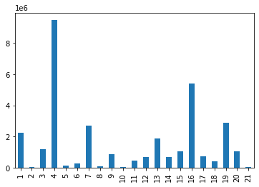
Title page

Visualisations

Bar chart: order_day_of_week
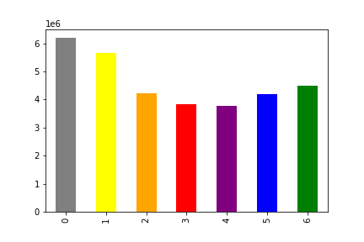
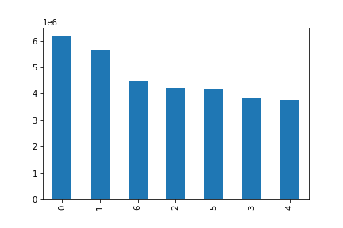


Histogram: prices
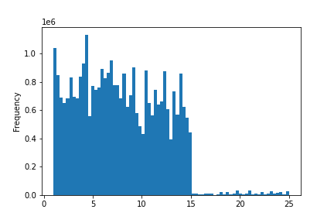
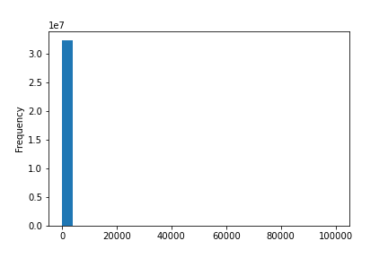
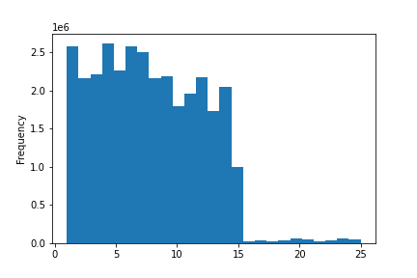

Scatterplot: prices

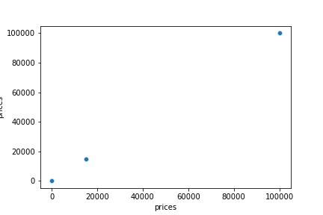

Line chart: prices and order_day_of_week

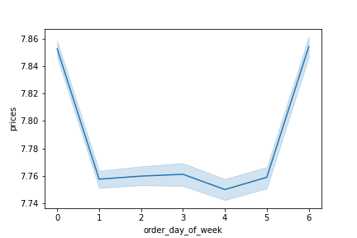

Histogram: order_hour_of_day
The histogram shows us the frequency of the 'order_hour_of_day' column. We can see that the most orders have been made between 10 and 16 o'clock - and almost none at around 4am. Which makes sense because that's when we (should) sleep :)



Bar chart: loyalty_flag

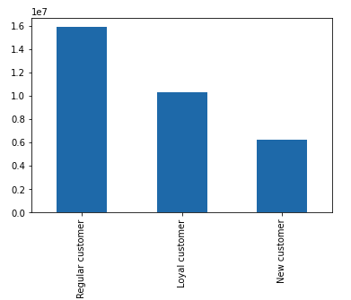

Line chart: prices and order_hour_of_day
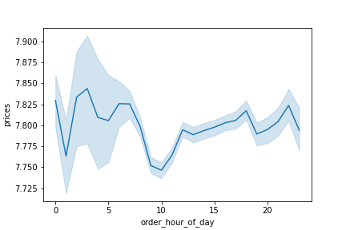

Line chart: n_dependants and age
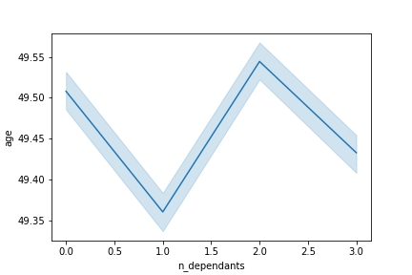

Scatterplot: income and age
The older the customer the more they earn. For example there are no customers under the age of 40 earning more than 400'000. A lot of customers earn up to 200'000.

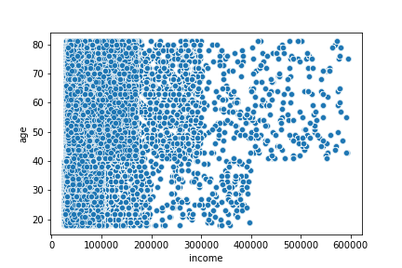

Bar: region and spending flag
It looks like there aren't big differences among the regions of the US in spending habits. In general, there are more High spender than Low spender.

Northeast
Midwest
South
West

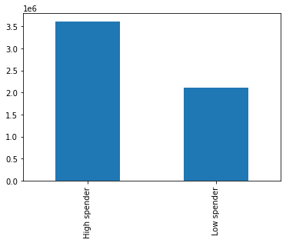
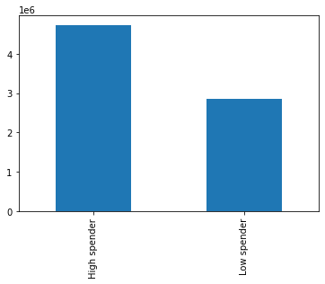



Bar: characteristics
It looks like there aren't big differences among the regions of the US in spending habits. In general, there are more High spender than Low spender.

Family
Time
Day

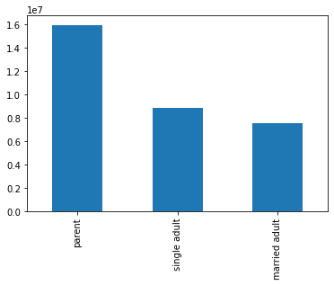
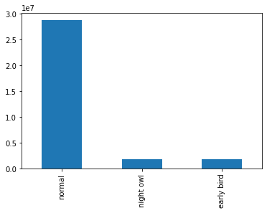
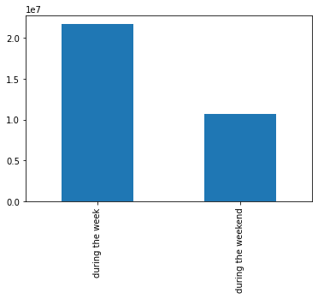

Scatterplot: region and characteristics

Family
Time
Day

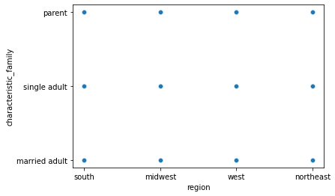
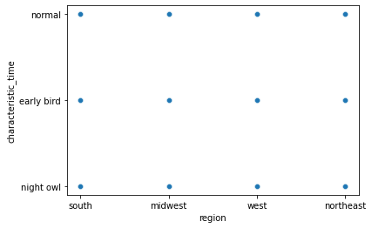
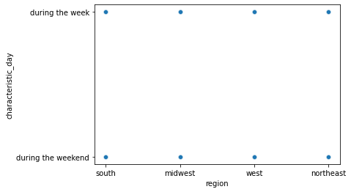

Bar: prices (sum) and order_hour_of_day

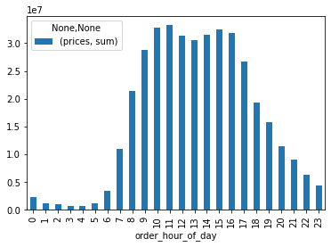

Bar: Frequency of departments

7. Recommendations
 |  | Title page

Recommendations

Question | Answer
Key Question 1 | The busiest days are Sunday and Monday and the busiest time of the day is from 9 AM to 5 PM.
Key Question 2 | Most money is spent from 9 AM to 5 PM.
Key Question 3 | A simpler price range could be from 0 - 15.
Key Question 4 | The departments which have a significant higher number of orders are 4, 16, 19 and 7.
Key Question 5 | Most of the customers are parents and there are almost so many married adults as single adult. By far most of the people are ordering during usual hours. Around two third of the orders are made during the week.
Key Question 6 | Apparently there aren't any relationships between the regions and the age, income, departments and family status.
Key Question 7 | tbc

